CoverPage
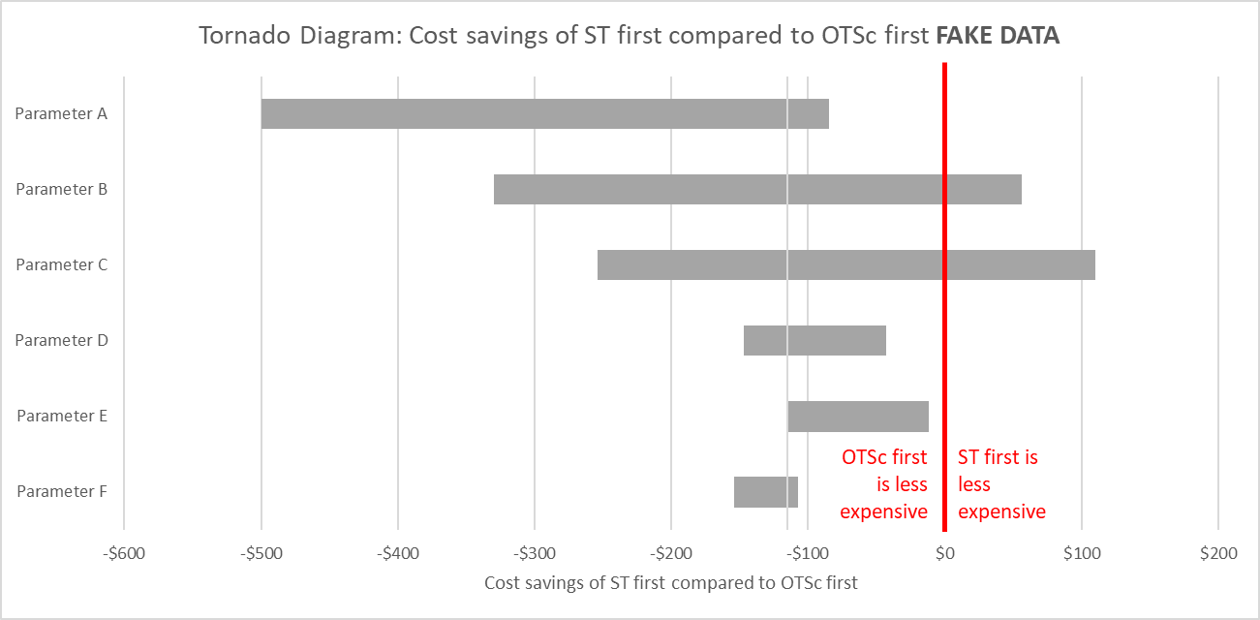
MS&E 92 Problem Set 2
Due: | Tuesday 7/16
Summary: | In this problem set, you will develop a decision analysis to help determine whether a newer clip should be used to close bleeding peptic ulcers in the gastrointestinal tract. The newer clips are called over-the-scope clips, abbreviated OTSc. Randomized trial data show that rebleeding rates are lower following endoscopic closure with OTSc as compared to when standard therapy clips are used, but OTSc are also significantly more expensive. You will use decision analysis to determine whether OTSc are 'worth' the added expense, either as a first line therapy (i.e. to treat all peptic ulcer bleeds initially) or only for rebleeds (i.e. only if a standard therapy clip was used and failed). We assume all peptic ulcer bleeds are fully resolved during a short hospitalization and therefore our analysis uses a time horizon of only 30 days. No discounting is needed due to the short time horizon. Because this analysis involves very small differences in utility, quality-adjusted life days (QALDs) are used instead of quality-adjusted life years (QALYs).
Skills | Probability, decision trees, one-way sensitivity analysis, scenario analysis
Start early and come to office hours for help!
Part A: Base case analysis
Tasks | Task description | Points
1 | Names have already been assigned to the variables in the 'variables' tab, and one branch of the decision tree has already been completed for you in the 'tree' tab. Look at these closely. Notice that there are comments in the tree tab that describe what each cost, utility, and rebleed cell should represent. | 0
2 | Probabilities: Replace the question marks with the proper probabilities for the ST first and ST only branches of the decision tree. Note that for every chance note, one of the probabilities should be simply one minus the other probabilities. Use the variable names from the variable tab, and read the comments for help. | 10
3 | Costs, utilities, rebleeds: In the decision tree, In the green, yellow and grey cells with borders, type in the proper quantities for the costs, utilities, and rebleed events. Reference the OTSc first branch and the comments in the cells, and use the named ranges from the variables tab. | 15
4 | Calculations: In the lighter green, yellow and grey cells without borders, write the equations to calculate the expected value of the costs, QALYs and rebleeds at those points in the decision tree, including the value accumulated at that branch plus the weighted value accumulated for the downstream branches. These calculations should mirror those already filled in on the OTSc first branch of the tree. | 10
5 | Outcomes for each policy: In the Outcomes tab, fill in columns B:C of the outcomes table, referencing the appropriate values in the Tree tab (do not copy in paste, but use '=' to directly link them). Note that for 'rebleeds per 100 patients', you will need to multiply the expected number of rebleeds per patient from the 'Tree' tab by 100. | 5
6 | Comparative outcomes: If everything is correct, one policy should be dominated (more costly and less effective). Write 'Dominated' in column E for that policy. For the non-dominated policy that is more expensive, compute an ICER in column F in terms of dollars per quality-adjusted life day. Then, in column G, multiply by a factor to convert this into cost per QALY. If the ICER is below a willingness-to-pay threshold of $100,000/QALY, you should write 'Preferred' by the more expensive policy and 'not preferred' by the less expensive policy in column E. If the ICER is above our willingness-to-pay, these should be reversed. | 5
7 | In outcomes cell C8, calculate the cost-savings of ST first compared to OTSc first by subtraction. It's a good idea to save the workbook at this point! | 3
Part A: One-way sensitivity analysis on whether ST first is cost-saving compared to OTSc first
For reference, below we've provided an example of how the tornado diagram should look below. The numbers in this example have all been altered, but the aesthetics should be similar in your diagram.
8 | In the variables tab, change the value for the 'cost for OTS clip' from the current, base-case value to the minimum value. Return to the outcomes tab, and you should see that the cost-savings value in cell C8 has changed. Copy and paste values this value into cell C13. Now repeat using the maximum value, copying and pasting the value into cell D13. Be sure to change the value for 'cost for OTS clip' back to the base case value when you finish! | 2
9 | Repeating the procedure from task 8, fill in rest of the yellow table with the cost savings of ST first compared to OTSc first when the individual parameters listed are changed to their maximum and minimum value. Make sure you reset the values in the variables tab to the base case values each time. | 10
10 | In column E in the yellow table, calculate the absolute value of the range of the cost saving. Then, sort the yellow table from smallest to largest range. | 5
11 | The conclusion that ST first is cost saving compared to OTSc first is sensitive to which of the six parameters we analyzed in the yellow table? (list here:)

12 | Highlight the first three columns of the yellow table (B12:D18) and then insert a clustered bar chart. Delete the legend. Right click the X-axis and select 'format axis'. In the sidebar to the right, set the "Vertical axis crosses" to the base-case value. | 5
13 | Right click the Y-axis and click "format y-axis". In the sidebar that pops up, under 'Labels', change the label position to Low (this should move the text labels to the far left of the figure). | 5
15 | Right click the data bars and select 'Format data series'. Under 'Series Options', set the Series overlap to 100%. Change the colors of the bars so they are both the same color. | 5
16 | Change the chart title to "Tornado Diagram: Cost savings of ST first compared to OTSc first." Add an X-axis label and title it "Cost savings of ST first compared to OTSc first" | 5
17 | With your figure selected, click "insert" > "shape" and put a vertical red line on the figure that crosses 0 on the X-axis. Make this line red and thick. To the left of this line, add a text box that says, in red text, "OTSc first is less expensive". To the right side of the line, add red text that reads "ST first is cost-saving". | 5
 | For reference, below we've provided an example of how the tornado diagram should look. Note that the exact value have all been changed. This reference is just supposed to give you an idea of the aesthetics.

